1. Title Page
[Project Name]

Project Name: Instacart Grocery basket Analysis
Date: May 2023
Analyst Name: Jaabir Adekunle-Jimoh

Contents:
Population Flow
Consistency checks
Wrangling steps
Column derivations
Visualizations
Recommendations

Data Citation:
Customer data, as well as the "prices" data, were both fabricated for the purpose of this project.
"The Instacart Online Grocery Shopping Dataset 2017", Accessed from http://www.instacart.com/datasets/grocery-shopping-2017 on [date].

2. Population Flow
Title page

Population flow

Exclusion flag
Condition: max_order < 5
Obervations to be removed: 1440295 observations
Final total count of order_products_all: 30964564 rows

Orders_products_combined
Orders_products_merged
Orders_products_all

Total: 32404859
Total: 32434489
Total: 32404859

1.) The grey boxes in the first row of the population flow represent the original data sets as they were when you downloaded them. In the Total fields you need to add the count of the rows when you imported the data set into Jupyter.
2.) The second row of boxes (coloured) represents the data sets after you manipulated them, e.g., removed missing values and duplicates. In the Total fields you need to add the count of the rows after conducting these operations. This offers a visual oveview of how the data flows throughout the data consistency checks.
3.) The third row, where also the arrows are coloured, represents the merges you performed between the datasets. In the Total fields you need to add the count of the rows in the merged datasets, so that you end up with the final dataset (in the red box). Keep in mind the final dataset should be without exclusions (based on the exclusion flag).

3. Consistency checks
 |  |  |  | Title page
Consistency checks

Dataset | Missing values | Missing values treatment | Duplicates
orders | 206209 missing values in 'days since prior order' | No change. These mark the first order 1 associated with value indicates a new customer
products | 16 in 'product_name' | dropped from column | 5 duplicates dropped
orders_products_prior | No missing values |  | No Duplicates
customers | No missing values |  | No Duplicates
 | 5 in 'median_order_freq' | Calculated field - replaced with correct values
 | 5 in 'order_freq_flag' | Calculated field - replaced with correct values

4. Wrangling steps
 |  |  |  | Title page
Wrangling steps

Columns dropped | Columns renamed | Columns' type changed | Comment/Reason
orders.eval_set |  |  | eva_set was dropped because it was not relevant.
 | orders_dow to 'orders_day_of_week |  | days_since_prior_order was changed for clarity.
 |  | order.order_id to str | User_id changed because it has no numeric value.
 |  | order.user_id to str
customer.First Name |  |  | data not relevant to analysis & PII
customer.Last Name |  |  | data not relevant to analysis & PII
 | Customer[('STATE':'state'), ('Gender':'gender'), ('Age':'age'), ('n_dependants':'number_dependants'), ('fam_status':'family_status')] |  | Renamed for consistency and to be more descriptive

5. Column derivations
 |  |  |  |  |  |  |  | Title page

Column derivations and aggregations

In this tab you should add tables below that the frequences of flags/label variables that you produced after deriving them. NB: don't do this for continuous variables, only for flags.
Dataset | New column | Column/s it was derived from | Conditions
df_ords_prods_merge | max_order' | order_number' | transform(np.max)
df_ords_prods_merge | 'loyalty_flag' | 'max_order' | loc function
df_ords_prods_merge | avg_price' | prices' | transform(np.max)
df_ords_prods_merge | 'spending_flag' | 'avg_price' | loc function | Price Range Value Counts | High range product 412551 | Mid range product 21865987 | Low range product 10126321
df_ords_prods_merge | median_dspo' | days_since_prior_order | transform(np.max) | Busiest Day Value Count | Regularly busy 22416875 | Busiest day 6204182 | Least busy 3783802
df_ords_prods_merge | 'order_frequency_flag' | median_dspo' | loc function | Busiest period Value Count | Regularly busy 12916111 | Busiest days 11864412 | Slowest days 7624336
 |  |  |  | Busiest Period of Day Value Counts | Most orders 18663868 | Average orders 13144663 | Fewest orders 596328
 |  |  |  | Continuous Variable
 |  |  |  | Spending Value Counts | Low spender 32285150 | High spender 119709
 |  |  |  | Loyalty_flag Value Counts | Regular customer 15876776 | Loyal customer 10284093 | New customer 6243990
 |  |  |  | Continuous Variable
 |  |  |  | Order_frequency Value Counts | Non-frequent customer 3636434 | Regular customer 7208564 | Frequent customer 21559853
 |  |  |  | Region Value Counts | South 10791885 | West 8292913 | Midwest 7597325 | Northeast 5722736
 |  |  |  | Age_Group Value Counts | Middle-Aged 12103910 | Senior 8195544 | Young Adult 10665110
 |  |  |  | Income_Group Value Count | 025-75k 9906680 | 075-125k 12779840 | 125k+ 8278044
 |  |  |  | Family_Status Value Count | Has dependants 23224883 | No dependants 7739681
 |  |  |  | Diet_Style Value Count | Meat-consumer 23065332 | Vegetarian 7589236 | Vegan 309996
Dataset | New column | Column/s it was derived from | Conditions
products | price_range_loc | price | price <= 5 : 'Low range product', price > 5 and <= 15 : 'Mid range product', price > 15: 'High range product'
orders | busiest_day | orders_day_of_the_week | orders_day_of_the_week 0 = 'Busiest day', 4 = 'Least busy', else: 'Regular day
orders | busiest_period | orders_day_of_the_week | orders_day_of_the_week 0 or 1 = 'Busiest days', 4 or 3 = 'Slowest days ', else: 'Regularly busy'
ords_prods_merged | busiest_period_of_day | order_hour_of_day | value >= 10 & <= 16 : 'Most orders', value <6 = 'Average orders', else: 'Fewest orders'
ords_prods_merged | mean_spending | user_id', 'prices' | Dataframe grouped by 'user_id' and transformed by mean of 'prices'
ords_prods_merged | spending_flag | mean_spending | mean_spending < 10 : 'Low spender' igh-spender, else Low-spender
ords_prods_merged | loyalty_flag | max_orders | max_orders > 40 = 'Loyal customer', 40 >= max_order > 10 : 'Regular customer', else: 'New customer'
ords_prods_merged | median_order_freq | user_id, days_since_prior_order | Dataframe grouped by 'user_id' and transformed by median of 'days_since_prior_order'
ords_prods_merged | order_freq_flag | median_order_freq | >20: 'Non-frequent customer', <= 20 & >10: 'Regular customer', <=10: 'Loyal customer'
instacart_data_all | region | state | according to us census regions
instacart_data_all - df_reg_customers (low activity customers excluded) | age_group | age | age < 40 = Young Adult, 40 - 64 = Middle-Aged, 65 >= senior
instacart_data_all - df_reg_customers (low activity customers excluded) | income_group | income | income < 75000 : '025-75k', income 75000 to < 125000 : '075-125k', income >= 125000: '125k+'
instacart_data_all - df_reg_customers (low activity customers excluded) | family_status | number_dependants | number_dependants = 0: 'Has dependants', number_dependants >= 1 'Has dependants'

6. Visualizations
 | Title page
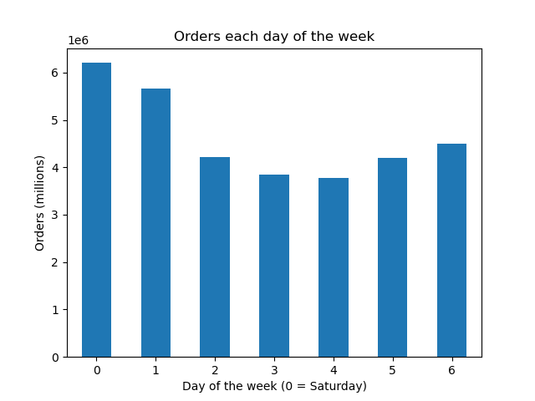
Visualisations

In this tab you should include all the visualtions from Exercises 4.9 and 4.10, alongside the questions from the project brief that they answer. Include any commentary on the relationship between different variables.
1. Bar Chart of the number of orders by the day of the week.
-Orders on Saturday (0) and Sunday (1) make them the busiest days of the week.
- Tueday and Wednesday are the slowest days of the week.
KQ1
2. Histogram of the number of items ordered each hour of the day. 0 = 12:00 AM
- The busiest hours (over 2.5 million items) are between 9AM and 5PM.
- The slowest ordering period (less then 250,000 items ordered) is between midnight and 6AM.
KQ1


Key Questions

Key Question 1: When are the busiest days of the week and the busiest hours of the day in order to schedule ads when there are fewer orders
Key Question 2: Are there particular times of the day when people spend more money which might inform the type of products to advertise
Key Question 3: Simpler price range groupings for Marketing and Sales
Key Question 4: Are certain types of products more popular than others? Which departments have the highest frequency of product orders?
Key Question 5: What are different types of customers and how are their ordering behavior different?
Key Question 5.1 : Distribution among users in brand loyalty (how frequently they visit)
Key Question 5.2 : Customer loyalty status
Key Question 5.3 : differences in ordering based on customer's region?
Key Question 5.4 : Is there a connection between age and family status in terms of ordering habits?
Key Question 5.5 : Difference classifications based on demographic - Age, Income, family status, Certain types of goods?
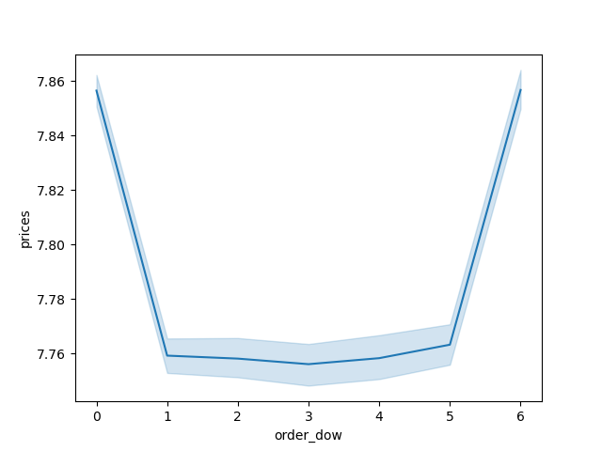
Key Question 5.6: Any other differences in ordering habits

3 .Line chart showing the mean price per item on orders placed each day.
- The highest average price per item is on Saturday and Friday.
- Despite Sunday having the second highest number of items ordered, it has a lower average price, similar to most of the weekday.
- Friday, which has the third highest number of items ordered each week, has a mean price per item comparable to Saturday.
-This suggests that customers order more expensive items on Friday and Saturday in preparation for weekend activities.
KQ2
 |  | 0 | 1 | 2 | 3 | 4 | 5 | 6
 |  | Saturday | Sunday | Monday | Tuesday | Wednesday | Thursday | Friday

4. Line chart showing the average price variation of items by each hour the order was placed.
- There is a lot of variablility of average price before 8AM. This is due to the low amount of orders placed at these hours make outliers more significant.
-The first hour of the busiest period of the day 10 AM has the lowest average price per item. The average prices rises till 12 PM, and then gradually increases to a peak at 6PM.
-There is another peak in average price per item at 10PM but this is less significant since the quantity of items ordered is low at this time.
-Prime time for advertisements should be when many orders are being placed and should be sensitive to the average item price per hour.
KQ2


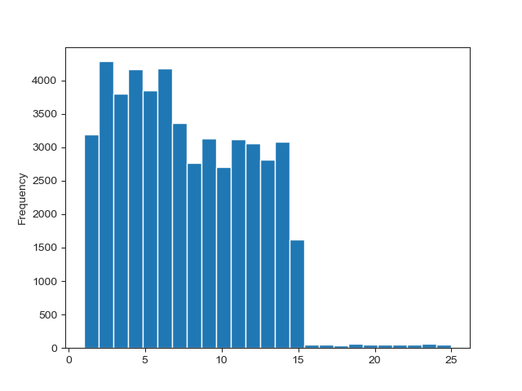

5. Histogram chart showing the number of products at each price point.
-The majority of items are priced between $1 to $15.
- A few items are priced between $15 and $25.
KQ3 (background information)
6. Pie chart of items by the simplified price range grouping.
-1.1% of items sold are high range products (>$15).
-Nearly two-thirds are mid-range products ($5-$15) and nearly one-third are low-range products (<$5)
KQ3
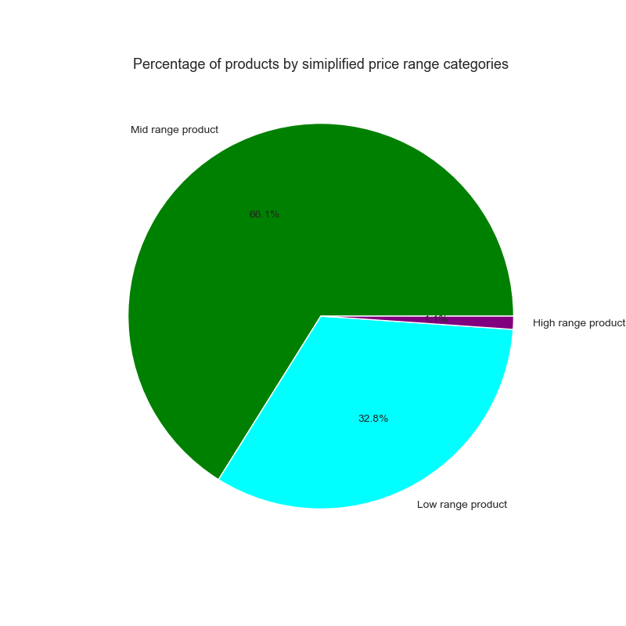

7. Bar chart showing the percent of items ordered by department, segemented with the simplified price range.
- The Meat & Seafood department contains the majority of items that qualify as High range products. This department is the only one with no items classified as low range products.
- More than 95% of the items sold in the bulk department qualify as mid range products. The rest are low-range products.
- The snacks department has the highest percentage (over 60%) of items sold that are low-range products.
- Most departments are have roughly 70% mid range products and 30% low range products.
See Crosstabs.xlsx for all values
KQ 3
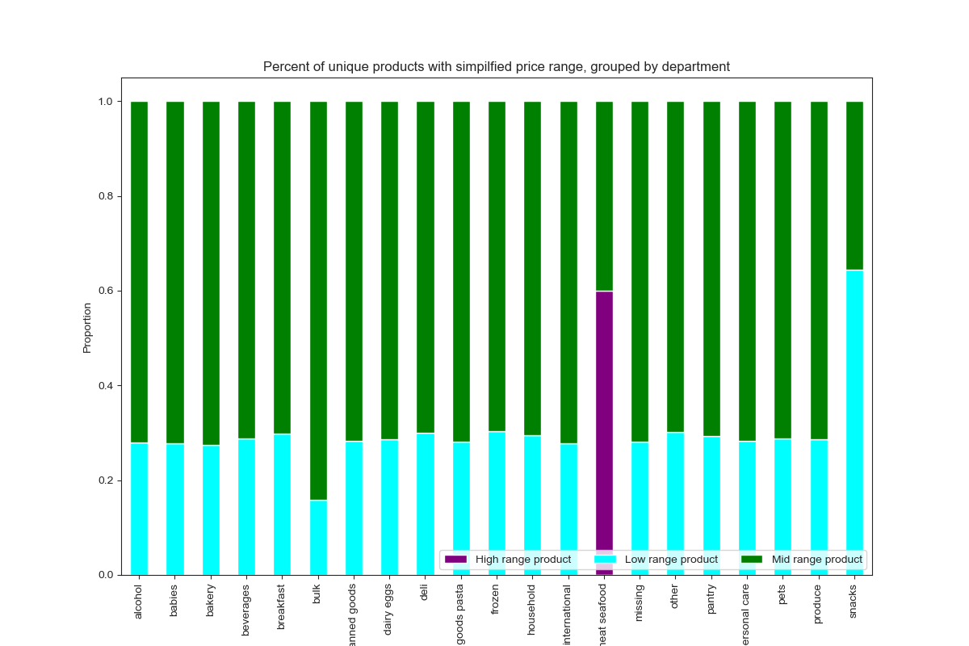

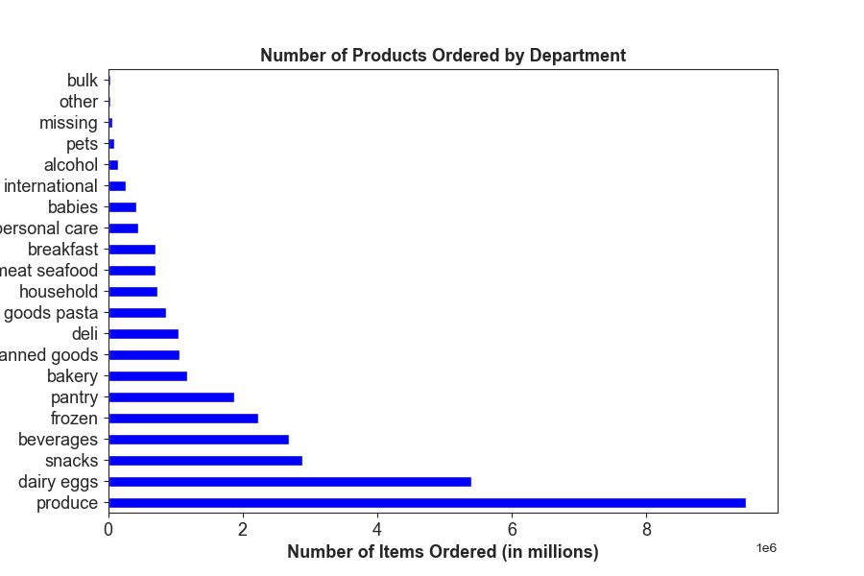

8. Horizonal bar chart showing the number of items ordered by departments in ascending order.
Top 10 Most frequently ordered departments
Produce
Dairy & Eggs
Snacks
Beverages
Frozen
Pantry
Bakery
Canned Goods
Deli
Dry Goods & Pasta
KQ 4

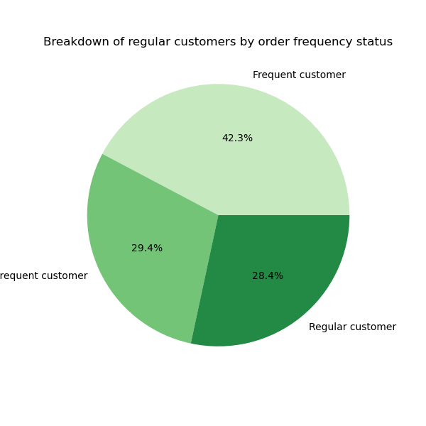

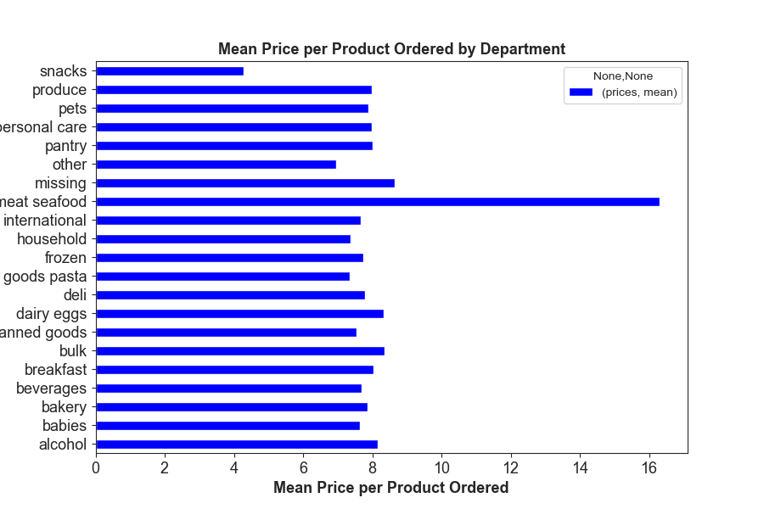

9. Horizontal bar chart showing the average price of products sold by department.
- The Meat & Seafood department has an average price per item of 16.3
-The Snacks department has an average price per item of $4.27.
- Other department have an average price ranging from $8.66 to $6.96.
See Crosstabs.xlsx for all values
KQ 4
11. Pie chart of Instacart customer by how frequently they place orders.
-Frequent customers make up nearly half of the customer base and order nearly two-thirds of the items.
-Non-frequent customers are less than a quarter of the customer base and order ledd then 10% of items.
KQ 5.1
10. Line chart of average number of dependants versus the age of the customer.
-The mean number of dependants is 1.5 dependants per customer.
-No strong relantionship can be seen between the two variables.
KQ 5.4

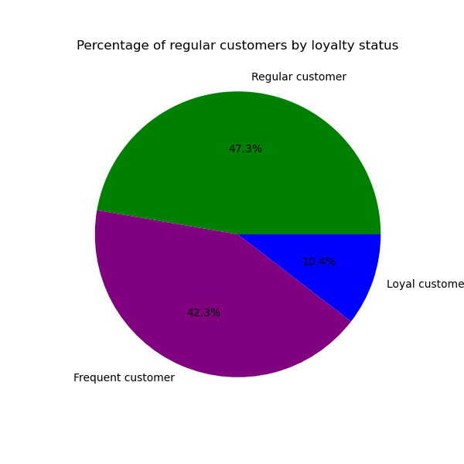
14. Pie chart of Instacart customer by how many items each loyalty groups has placed.
- Loyal customers order 33.2% of items sold through Instacart.
-Regular customers order 51.3% of items sold through Instacart.
-Non-frequent customers order 15.5% of items sold through Instacart.
KQ 5.2
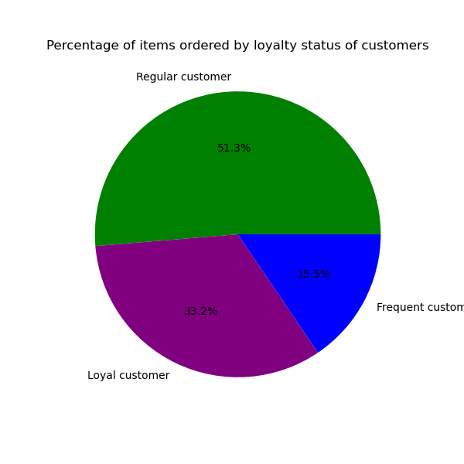
12. Pie Chart of the percentage of items each group orders
Non-frequent customers order nearly 2/3 of products.
Frequent customers' percentage of orders is less than 1/3 of their proportion of the customer base.
KQ 5.1
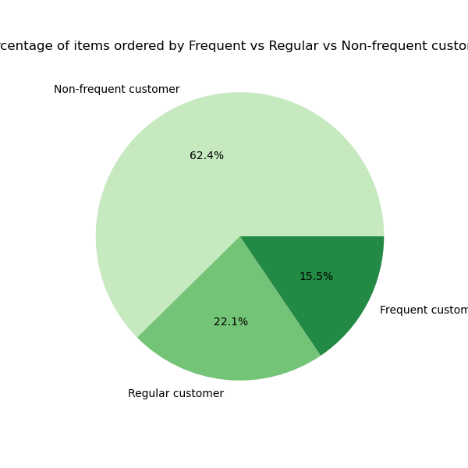
13. Pie chart of Instacart customers by how loyalty status.
- Regular customer make nealy half of the regular customer base.
KQ 5.2

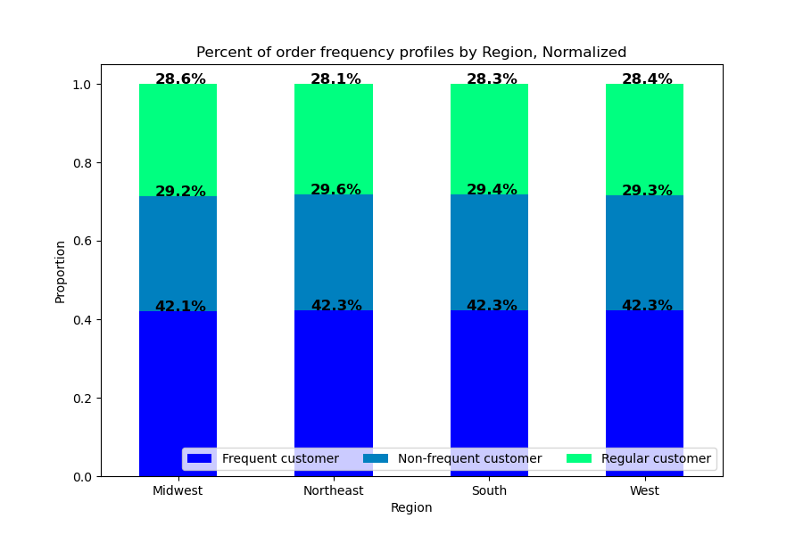

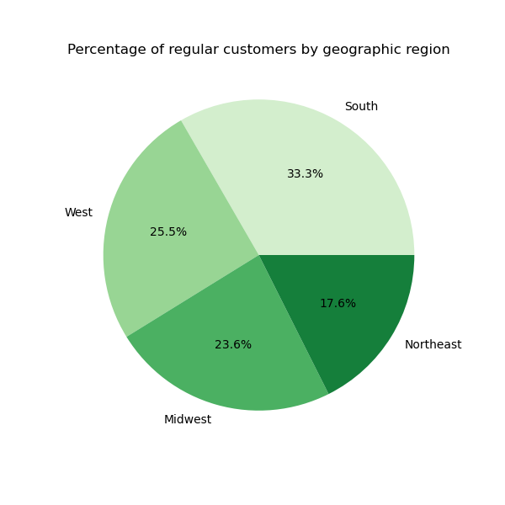
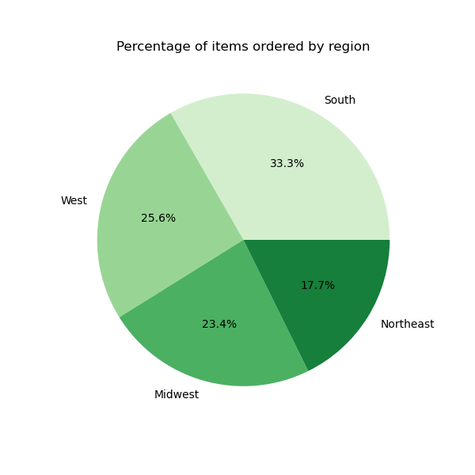
15. Pie chart of Instacart customers by geographic region.
- The South region has the largest number of customers, 33%
-The Northeast region has the smallest number of customers, 17.6%.
KQ 5.3
17. Stacked bar chart of order frequency groups by region, normalized.
- Each region varies in its composition of Frequent/Regular/Non-frequent customers.
-The West has the highest percentage of Frequent customers
-The Northeast has the highest percentage of Regular Customers.
- Midwest has the largest percentage of Non-frequent customers.
KQ 5.3
16. Pie chart of products bought by Instacart customers by geographic region.
The regional proportions of customers and items those customers bought is only different by 0.1%
KQ 5.3

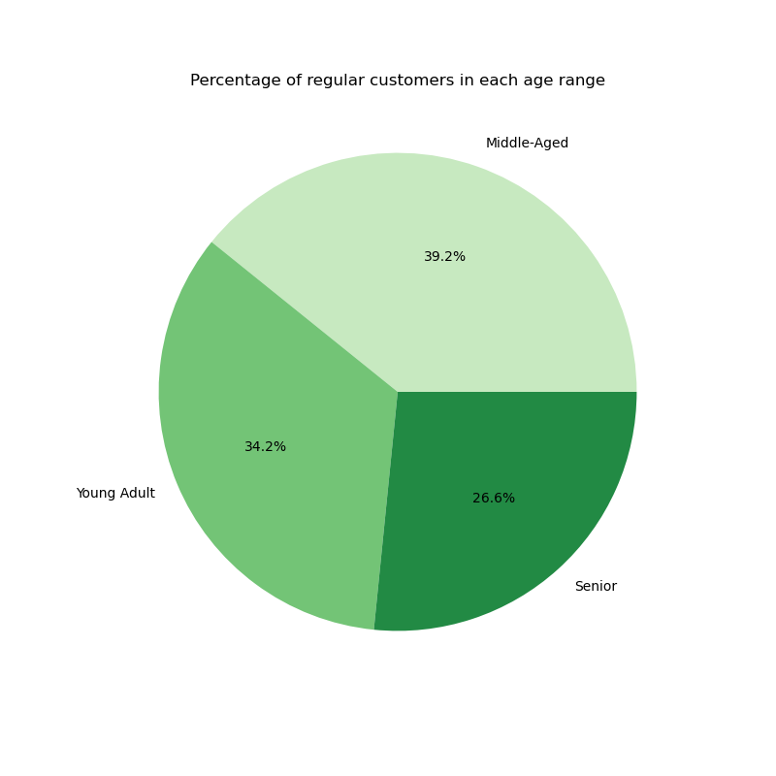

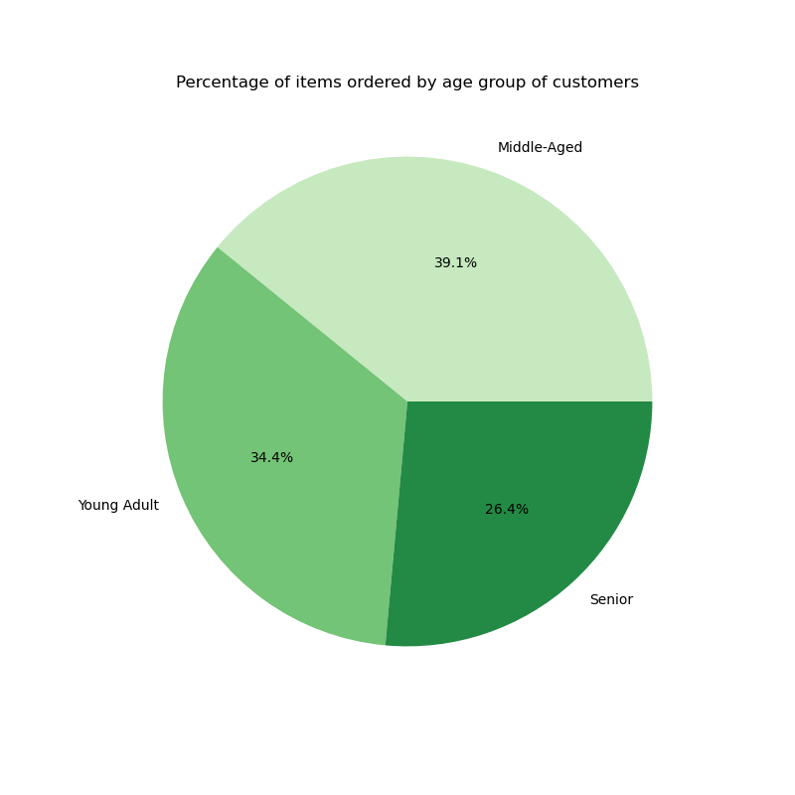
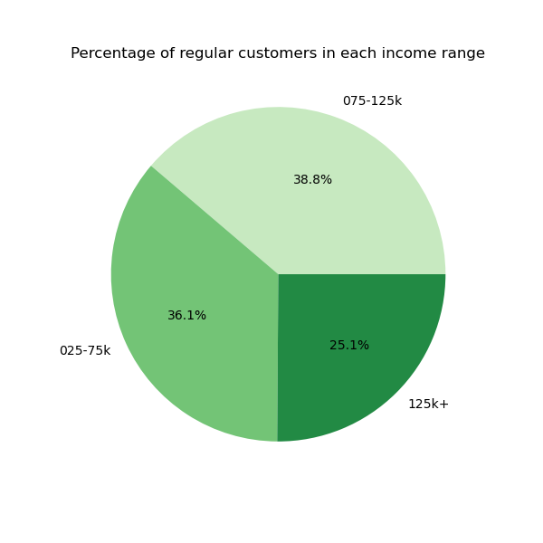
19. Pie chart of products bought by Instacart customers by age group.
-Middle Age and Young Adult customers bothe the most items.
- Differences in department purchases by age groups are likely to be small.
KQ 5.5
20. Pie chart of Instacart customers by income group.
KQ 5.5
18. Pie chart of Instacart customers by age group.
- Young Adults and Middle-Aged customers compose nearly 75% of customers
KQ 5.5

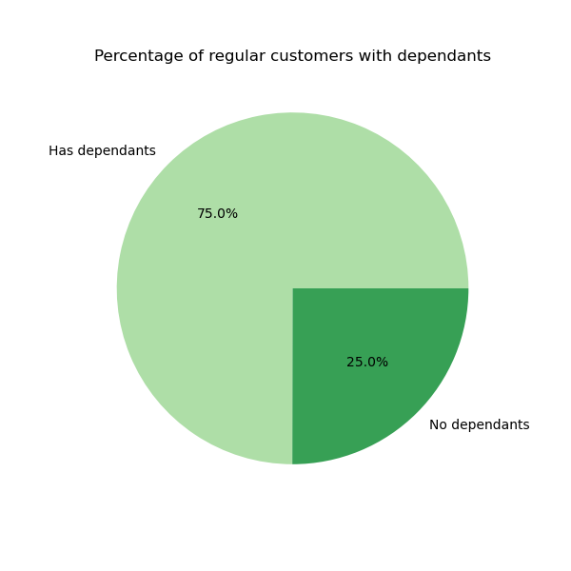
21. Pie chart of products bought by Instacart customers by income group
- Customers in the lowest income bracket order items 4.1% less then their proportion of the customer base.
- Customers in the middle income bracket order items 2.2% more then their proportion of the customer base.
- Customers in the highest income bracket order items 1.7% more then their proportion of the customer base.
KQ 5.5
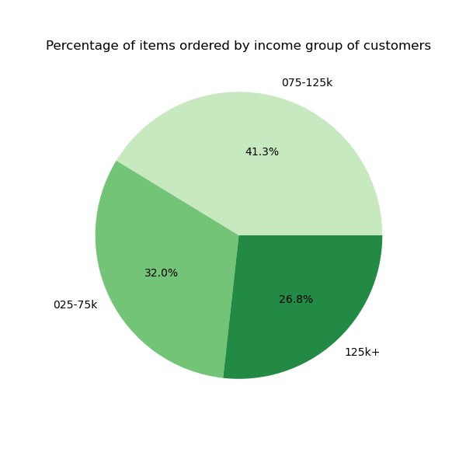


22. Pie chart of Instacart customers by family group.
-Two-third of the regular customers have dependants.
KQ 5.5
23. Pie chart of products bought by Instacart customers by family group
-Neither family group orders items out of proportion with their percentage of the customer population.
- Differences in department purchases by age groups are likely to be very small.
KQ 5.5

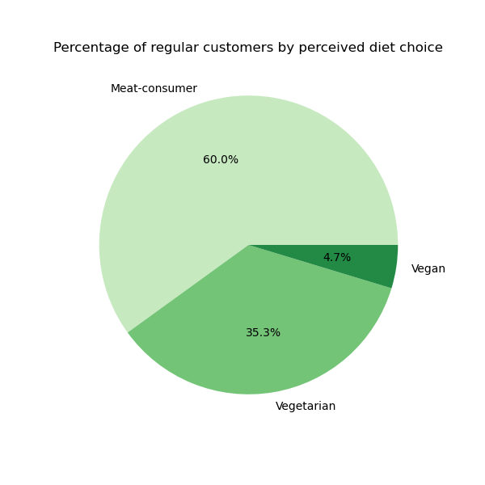
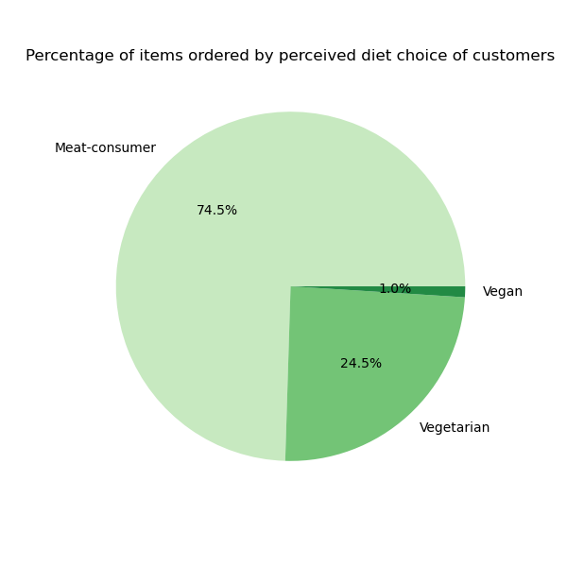
24. Pie chart of Instacart customers by presumed diet style.
- 40% of Instacart customers have not purchased items from the Meat & Seafood or Deli departments.
KQ 5.5
28. Pie chart of products bought by Instacart customers by presumed diet style.
- Product purchases by Vegan is about one-fith the percentage of Vegans customers.
- Product purchases by Vegetarians are 10.8% less than the percentage of Vegetarian customers.
-Meat-consumers bought 14.5% more products than their proportion in the customer base.
KQ 5.5

7. Recommendations
 |  |  |  |  | Title page

Recommendations

In this tab you should include any recommendations you would made to Instcart in terms of their marketing strategy based on the questions posed in the brief. Every key question has been covered in the Tasks of the Exercises - here you need to add an item - a visualisation or table/crosstable that is showing the answer in the data, acompanied by a comment from you. Please, list the questions below and add the answer underneath.

Questions
1. When are the busiest days of the week and the busiest hours of the day?
 |  | 0 | 1 | 2 | 3 | 4 | 5 | 6
- Saturday (0) and Sunday (1) are the busiest days of the week.
- Tueday and Wednesday are the slowest days of the week.
-The second visualization is a histogram of the orders placed per hour of the day.
- The busiest hours (over 2.5 million items) are between 9AM and 5PM.
- The slowest ordering period (fewer than 250,000 items ordered) is between midnight and 6AM.
 |  | Saturday | Sunday | Monday | Tuesday | Wednesday | Thursday | Friday

2. Are there particular times of the day when people spend more money?

-The first diagram shows the average price per item on orders placed each day.
- Friday, which has the highest number of items ordered each week, has an average price per item comparable to Saturday. This suggests that pricier items are mostly purchased on weekends.
- The second visualization shows the average price of items ordered each hour.
-The variablility and peaks of the average price before 8AM are due to the low amount of orders placed during those hours.
- As the numbers of orders rise to their highest levels at 10AM, the average price per item is at its lowest point.
- The average price per item has peaks at 6PM and 10PM. Since fewer items are being ordered late at night, the best time for advertising would be in the late afternoon before 6PM.
 | 0 | 1 | 2 | 3 | 4 | 5 | 6
 | Saturday | Sunday | Monday | Tuesday | Wednesday | Thursday | Friday
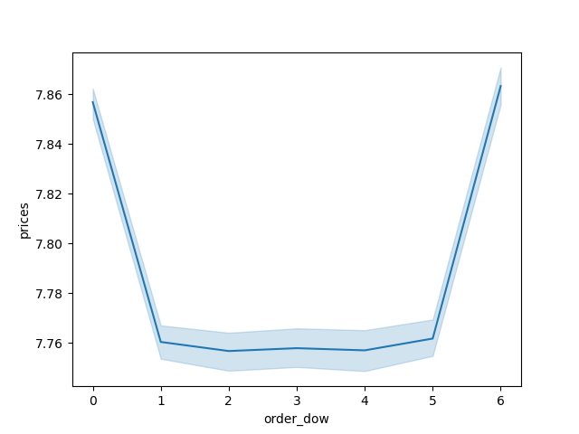
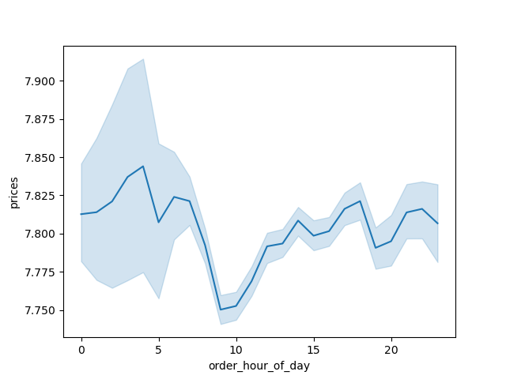

3. Grouping prices into simpler price ranges

- Over 98% of items are priced between $1 and $15.
- Only one department, Meat & Seafood, has a noticable proportion of items that qualify as high-range products, which account for about 1% of products.
- The Snacks department has the highest percentage of items sold that are low-range products. The Bulk department has the highest percentage of items sold that are mid-range products.
- The other departments sell roughly 70% mid-range products and 30% low-range products.
- More insight may be gained by splitting the mid-range product category into products $5 to $9.99 and products $10 to $15.

4. Which departments have the highest frequency of product orders?

- Customers order most frequently from the Produce, Dairy & Eggs, Snacks, Beverages, and Frozen departments.
-Customer also regularly order from the Pantry, Bakery, Canned Goods, Deli, and Dry Goods & Pasta departments. All of these departments each have over 2.7% of sales.

5.1 What is the distribution among users in regards to how often they return to Instacart?

- Frequent customers (those regularly placing an order more then once every 10 days) compose 42.3% of the regular customer base but purchase 15% of the items ordered through Instacart.
- Regular customers (those regularly placing an order between once every 10 days and once every 20 days) make up 28.4% of the regular customer base and purchase 22.1% of of the items ordered through Instacart.
- Non-frequent customers make up 29.4% of the regular customer base and purchase 62.4% of of the items ordered through Instacart.

5.2 Are there differences in ordering habits based on a customer's loyalty status?

- Loyal customers compose 10.4% of the regular customer base but purchased 33% of the items ordered through Instacart.
- Regular customers make up 47.3% of the regular customer base and purchase 51.3% of of the items ordered through Instacart.
- New customers make up 42.3% of the regular customer base and purchase 15.5% of of the items ordered through Instacart.
- Instacart should focus on gaining new customers and converting into regular customers.

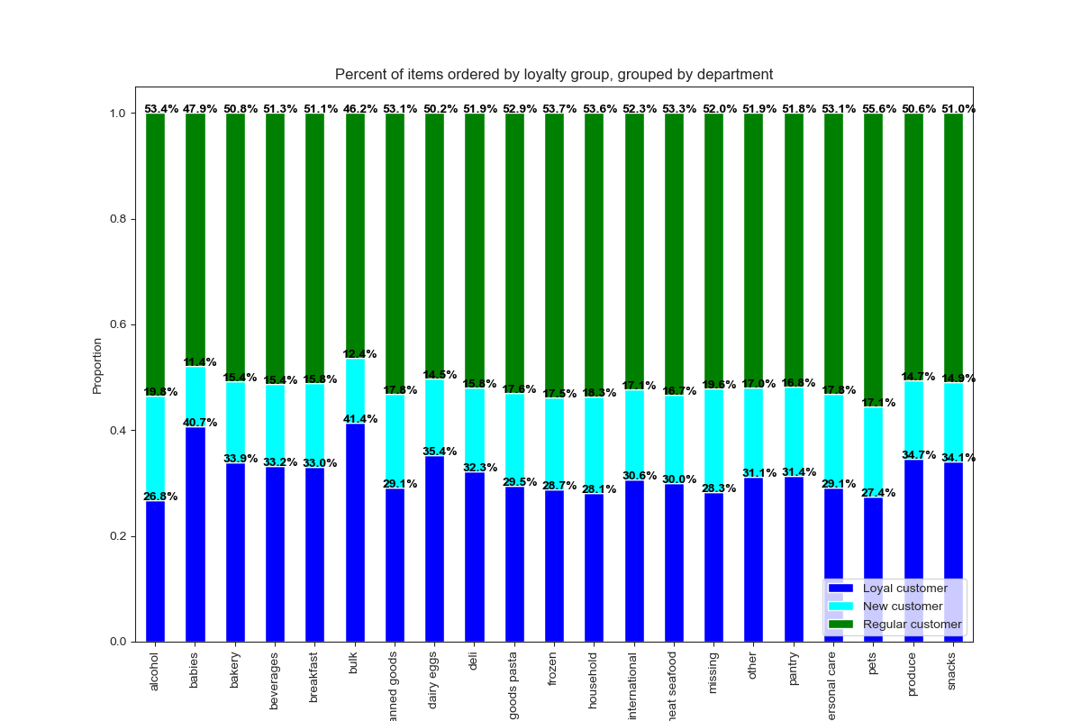
- Loyal customers order a higher percentage of items then average from the following deparments: Bulk, Babies, Dairy & Eggs, Produce, Snacks, and Bakery.
- Advertising directed at Loyal customers should include products from the Dairy & Eggs, Produce, Snacks, and Bakery departments.
- Regular customers order a higher percentage of items then average from the following deparments: Pets, Frozen, Household, Alcohol, Meat & Seafood, Personal Care, Canned Goods, Dry Goods & Pasta, and International.
- Advertising directed at Regular customers should include products from the Frozen, Canned Goods, and Dry Goods & Pasta departments.
- New customers order a higher percentage of items then average from the following deparments: Household, Personal Care, Frozen, Dry Goods & Pasta, Pets, Pantry, International, and Meat & Seafood departments.
- Advertising directed at Non-frequent customers should include products from the Frozen, Dry Goods & Pasta, Pantry, and Meat & Seafood departments.

5.3. Are there differences in ordering habits based on a customer's region?

- In all regions of United States customers order items in nearly the same proportion as the customer base in that region.
- The West, North-east, and South top the chart of Frequent customers, while the midwest has the least percentage of Frequent customers. The south has the highest percentage of regular customers as well as the highest percentage of orders.
- Regional ordering differences may be more prelevant when the area is divided into smaller geographical districts.

5.4. Is there a connection between age and family status in terms of ordering habits?

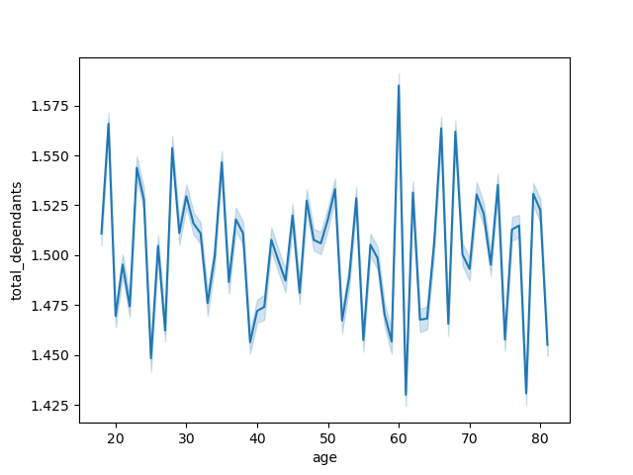

- The average number of dependants per customer is 1.5.
- No relationship can be seen between customer age and number of dependants a customer has.
- Since age and family status do not have a relationship to each other, these variables are not likely to be useful when used together to compare differences in ordering habits.

5.5. Classification by demographics

CUSTOMER AGE
- Each age group purchases items in similar proportions to their composition of the customer base.
- However, the middle-aged group tops both the customer base composition and the amount of purchase completed.

CUSTOMER INCOME
- When compared to its share of the regular customer base, the share of items purchased by the High (125k+) income group increases by 1.7%.
-When compared to its share of the regular customer base, the share of items purchased by the Middle (75-125k) income group increases by 2.5%.
When compared to its share of the regular customer base, the share of items purchased by the Low (25 -75k) income group decreases by 3.9%.
- Instacart could improve market share by offering promotions targeted at price-conscious customers.

FAMILY COMPOSITION
- The groups purchase items in the same proportion as their composition of the customer base.
-This suggests there are not significant differences in ordering habits between families and single adults.

BY DIET PATTERNS
- When compared to its share of the regular customer base, the share of items purchased by the 'Vegan' group decreases 3.7%.
-Customers in this category are not buying many items on Instacart. This suggests that either they are not finding many items they are interested in buying on Instacart or these customers share traits with other categories of low-purchasing customers
- When compared to its share of the regular customer base, the share of items purchased by the 'Vegetarian' group decreases 10.8%. This suggests similar factors that affect the 'Vegan' group are also occuring in the 'Vegetarian' group.

5.6 Customer Profiles and Ordering Habits

AGE GROUP
- The Young Adult age group has the lowest mean price per item and the Senior age group has the highest. This indicates that customers spend more on food as they grow older.
- The Senior age group has the shortest average median period between orders, which means Senior age groups orders slightly more frequently than the other group.
- Young Adults order a higher than average percentage of items from the following departments: Alcohol, Other, Bulk, Missing, International, Snacks, Dairy & Eggs, Breakfast, and Canned Goods.
- Middle-Aged customers order a higher than average percentage from the following departments: Personal Care, Babies, Beverages, and Breakfast.
- Senior customers order a higher than average percentage from the following departments: Pets, Meat & Seafood, Bulk, and Household.
- Advertising directed at Senior customers should include products from the Meat & Seafood department.
- Advertising directed at Middle-Aged customers should include products from the Beverages department.
- Advertising directed at Young Adult customers should include products from the Snacks, Dairy & Eggs, and Canned Goods departments.
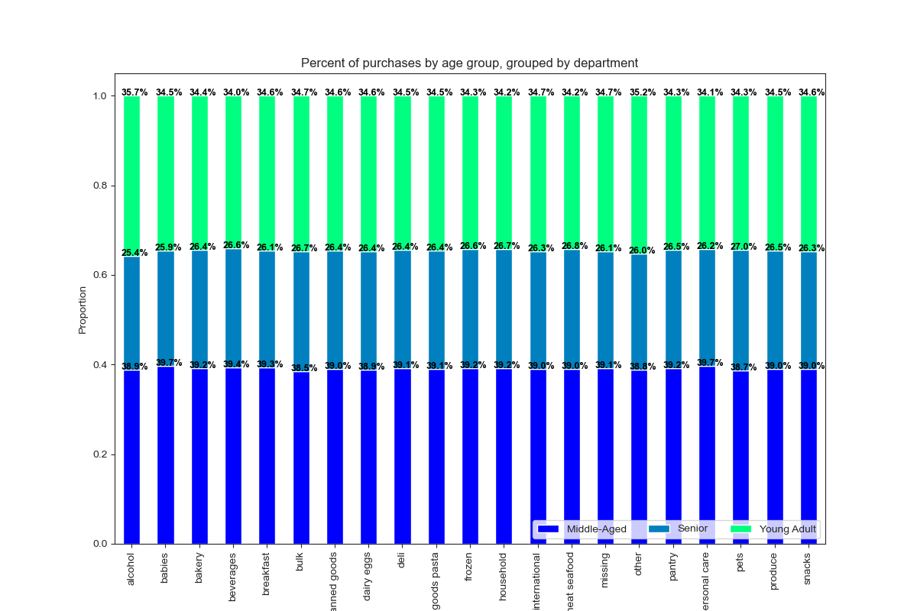
 |  | Age Group | MEAN- price per item | MEAN - median days between orders
 |  | Young Adult | $7.78 | 10.81
 |  | Middle-Aged | $7.79 | 10.82
 |  | Senior | $7.80 | 10.79

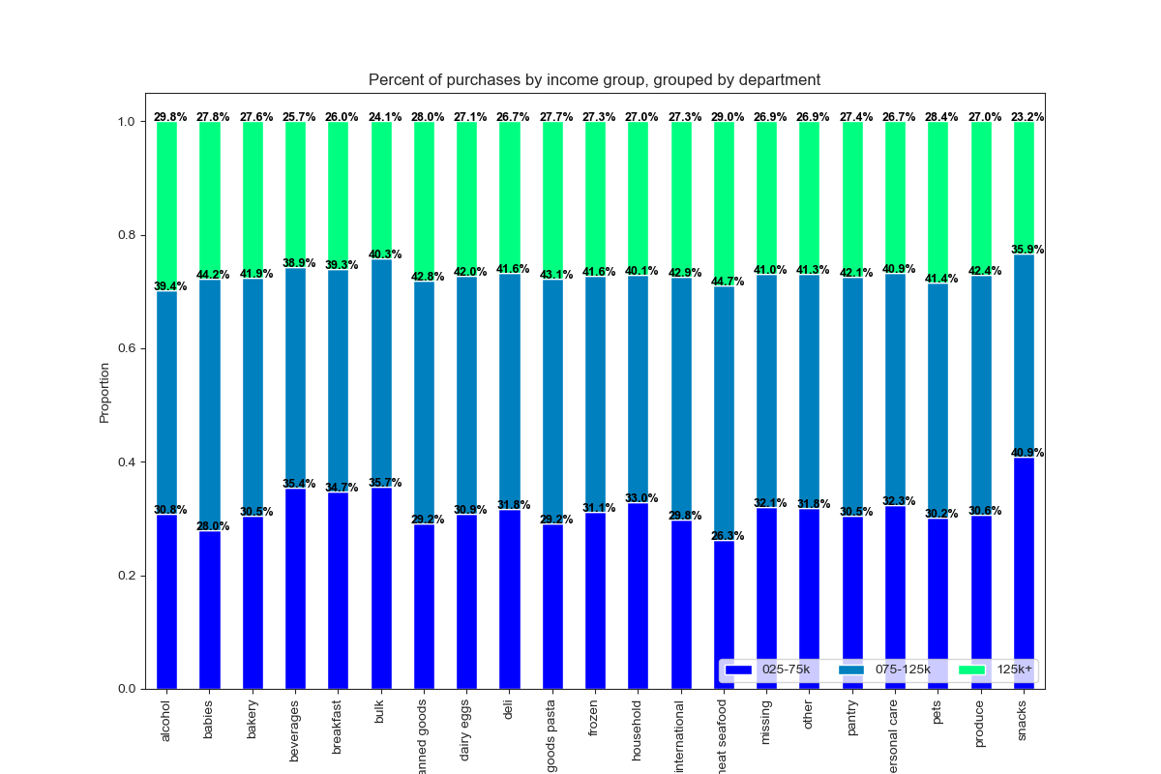
INCOME GROUP
- The mean price per item for the Low income group is $0.51 lower than High income group and $0.52 lower than the Middle income group. This indicates that customers at the lower end of the income range are sensitive to the product prices.
- The Low income group has the longest average median period between orders indicating they wait longer between placing orders. The Middle and High income groups have similar mean median periods between orders, with the High income group ordering slightly more frequently.
- Advertising directed at broad general groups should include items from the Top Departments identified in Key Question 4. As the targeted groups become more specialized they could include products from smaller departments.
- The Low income group orders a higher then average percentage from the Snacks, Bulk, Beverages, and Breakfast departments. This group orders a lower percentage of items from the Meat & Seafood, Babies, Canned Good, Dry Goods & Pasta, International, Pets , and Bakery departments.
- Advertising directed at Low income customers should include products from the low cost generic brands e.g. Snacks and Beverages departments.
- The Middle income group orders a higher than average percentage from the Meat & Seafood, Babies, Dry Goods & Pasta, International, and Canned Goods departments. This group orders a lower percentage of items from the Snacks, Beverages, Breakfast, and Alcohol departments.
- Advertising directed at Middle income customers should include products from the Meat & Seafood, Dry Goods & Pasta, and Canned Goods departments.
- The High income group orders a higher than average percentage from the Alcohol, Meat & Seafood, and Pets departments. This group orders a lower percentage of items from the Snacks, Bulk, and Beverages departments.
- Advertising directed at High income customers should include products from the Meat & Seafood department.
 |  | Income Group | MEAN- price per item | MEAN - median days between orders
 |  | Low (25-75k) | $7.44 | 10.9
 |  | Middle (75-125k) | $7.96 | 10.77
 |  | High (125k+) | $7.95 | 10.76

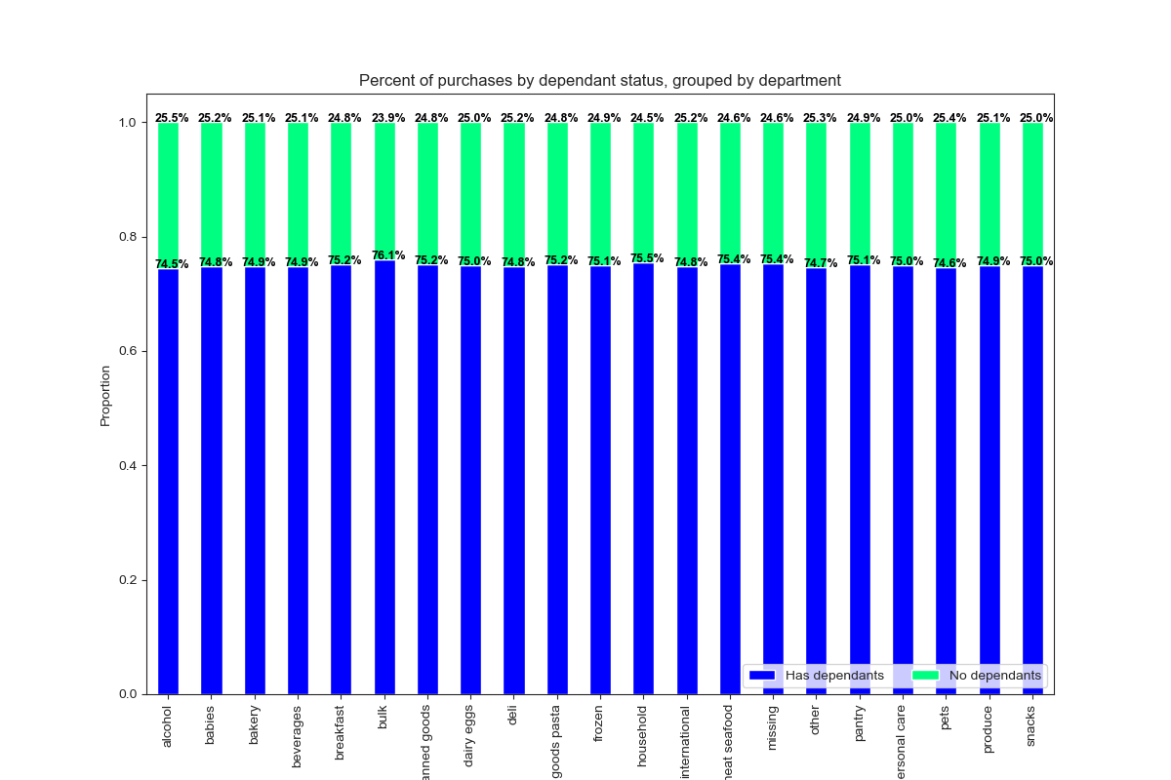
FAMILY COMPOSITION
- There is no difference in the average amount both groups spend on groceries. Single Adults place orders more frequently than Families with dependants.
- The most notable differences in order history is families with dependants buy more from the Bulk and Household departments while Single Adults purchase a bit more items from the Alcohol deparment.
- As the differences are minor, there are no recommendations for department based on this customer profile.
 |  | Family | MEAN- price per item | MEAN - median days between orders
 |  | Has dependants | $7.79 | 10.82
 |  | Single Adult | $7.79 | 10.79

DIET PATTERNS
- The 'Vegan' group has a very low mean price per item and very long average median period between orders. The 'Vegetarian' group also follows a similar pattern but at a lesser rate.
- The Meat-consumer group has a higher mean price per item than those of the Vegan and Vegetarian.
- When the Diet-Style groups were crosstabulated with Income groups the results showed 61% of the Vegan group and 44% of the Vegetarian group were in the Low Income group.
- This indicates that diet choice of most of these consumers (vegan or vegetarian) are as a result of their low income. Therefore, advert centered on low prices will be a good catch for this group.
 | Diet | MEAN- price per item | MEAN - median days between orders
 | Vegan | $6.96 | 13.8
 | Vegetarian | $7.49 | 11.45
 | Meat-consumer | $7.90 | 10.56

 | Diet | Low Income | Middle Income | High Income | Total
 | Vegan | 61% | 24% | 15% | 100%
 | Vegetarian | 44% | 34% | 22% | 100%
 | Meat-consumer | 30% | 43% | 28% | 100%

